Baud rate calculation
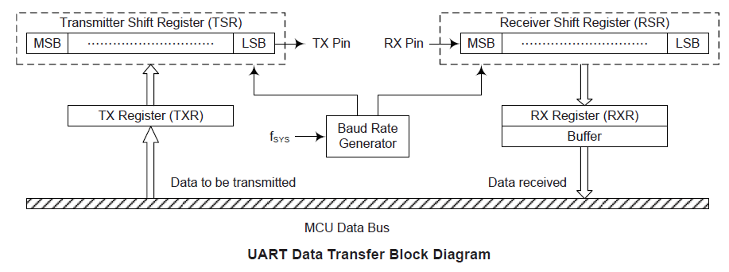
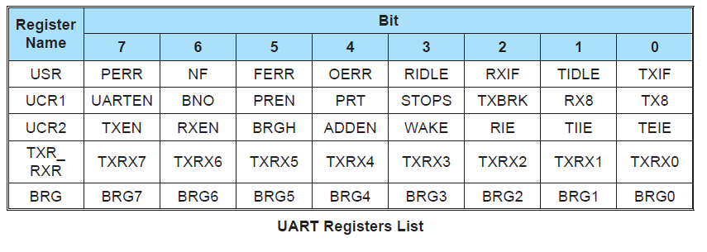
fsys | 12000000
mul | 16 | Low Speed:mul=64 High Speed:mul =16

 | BRG | BaudRate | error(%)
4800 | 155 | 4807.6923077 | -0.16025641026
9600 | 77 | 9615.3846154 | -0.16025641026
115200 | 6 | 107142.85714 | 6.994047619
384000 | 1 | 375000 | 2.34375

